1. Title Page
Basket Analysis

Project Name: Instacart Basket Analysis
Date:
Analyst Name: Aaron Reese

Contents:
Population Flow
Consistency checks
Wrangling steps
Column derivations
Visualizations and Stakeholder Questions
Recommendations

Data Source: The Instacart Online Grocery Shopping Dataset 2017”, Accessed from www.instacart.com/datasets/grocery-shopping-2017 via Kaggle on 8/10/2023.

2. Population Flow
Title page

Population flow

Exclusion flag
Condition: max_order < 5 ('Low activity')
Obervations to be removed: 2,235,381
Final total count of order_products_all: 30,198,831

Orders_products_combined
Orders_products_merged
Orders_products_all

Total: 32,434,212
Total: 34,434,489
Total: 32,343,212

1.) The grey boxes in the first row of the population flow represent the original data sets as they were when you downloaded them. In the Total fields you need to add the count of the rows when you imported the data set into Jupyter.
2.) The second row of boxes (coloured) represents the data sets after you manipulated them, e.g., removed missing values and duplicates. In the Total fields you need to add the count of the rows after conducting these operations. This offers a visual overview of how the data flows throughout the data consistency checks.
3.) The third row, where also the arrows are colored, represents the merges you performed between the datasets. In the Total fields you need to add the count of the rows in the merged datasets, so that you end up with the final dataset (in the red box). Keep in mind the final dataset should be without exclusions (based on the exclusion flag).

3. Consistency checks
 |  |  |  | Title page
Consistency checks

Dataset | Missing values | Missing values treatment | Duplicates
orders | None | None | None
products | 16 NaN values from product_name | Removed the 16 NaN values | Removed 5 duplicate values
orders_products_prior | None | None | None
customers | 11,259 missing vales in 'First Names' | No action | No action

4. Wrangling steps
 |  |  |  | Title page
Wrangling steps

Columns dropped | Columns renamed | Columns' type changed | Comment/Reason
N/A | order_dow to order_day_of_week | N/A | Better naming convention
N/A | N/A | order_id changed to string | Appropriate data type
first_name | First Name to first_name | N/A | PII
last_name | Surname to last_name | N/A | PII
N/A | Age to age | N/A | Consistent naming format
N/A | n_dependants to number_of_dependants | N/A | Better naming convention
fam_status | N/A | N/A | Irrelevant
Gender | N/A | N/A | PII
Unnamed: 0.1 | N/A | N/A | Irrelevant
Unnamed: 0_x | N/A | N/A | Irrelevant
Unnamed: 0_y | N/A | N/A | Irrelevant

5. Column derivations
 |  |  |  | Title page

Column derivations and aggregations

In this tab you should add tables below that the frequences of flags/label variables that you produced after deriving them. NB: don't do this for continuous variables, only for flags.
Dataset | New column | Column/s it was derived from | Conditions
4-7_ords_prods_merge | price_range_loc | prices | prices > 15 = high-range product prices between 5 - 15 = Mid-range product prices < 5 = low-range product
4-7_ords_prods_merge | price_label | prices | prices > 15 = high-range product prices between 5 - 15 = Mid-range product prices < 5 = low-range product
4-7_ords_prods_merge | busiest_day_of_week | orders_day_of_week | order_hour_of_day = 1|0 = Busiest days order_hour_of_day = 3|4 = Slowest days Else = Regularly busy
4-7_ords_prods_merge | loyalty_flag | max_order | max_order > 40 = Loyal customer max_order between 10 - 40 = regular customer max_order < 10 = new customer
4-7_ords_prods_merge | busiest_period_of_day | order_hour_of_day | order_hour_of_day = 10|11|14|15|13|1|16|9 = Most orders order_hour_of_day = 17|8|18|19|20|7|21|22 = Average orders Else = Fewest orders
4-10_all_active_customers | region | state | orders_products_all.loc[orders_products_all['state'].isin(Northeast), 'region'] = 'Northeast' orders_products_all.loc[orders_products_all['state'].isin(Midwest), 'region'] = 'Midwest' orders_products_all.loc[orders_products_all['state'].isin(South), 'region'] = 'South' orders_products_all.loc[orders_products_all['state'].isin(West), 'region'] = 'West'
4-10_all_active_customers | customer_activity | max_order | orders_products_all.loc[orders_products_all['max_order'] <= 5, 'customer_activity'] = 'Low activity' orders_products_all.loc[orders_products_all['max_order'] > 5, 'customer_activity'] = 'Active'
4-10_all_active_customers | age_group | age | df_all_active.loc[df_all_active['age'] <= 30, 'age_group'] = 'Young age' df_all_active.loc[(orders_products_all['age'] >= 31) & (df_all_active['age'] <= 60), 'age_group'] = 'Middle age' df_all_active.loc[df_all_active['age'] > 61, 'age_group'] = 'Old age'
4-10_all_active_customers | income_group | income | df_all_active.loc[df_all_active['income'] <= 56578, 'income_group'] = 'Low income' df_all_active.loc[(df_all_active['income'] > 56578 ) & (df_all_active['income'] <= 142958), 'income_group'] = 'Middle income' df_all_active.loc[df_all_active['income'] > 142958, 'income_group'] = 'High income'
4-10_all_active_customers | product_group | department_id | df_all_active.loc[df_all_active['department_id'] == (1 or 3 or 4 or 9 or 10 or 12 or 13 or 14 or 15 or 16 or 19 or 20), 'product_group'] = 'Food' df_all_active.loc[df_all_active['department_id'] == (5 or 7), 'product_group'] = 'Drink' df_all_active.loc[df_all_active['department_id'] == (18), 'product_group'] = 'Baby care' df_all_active.loc[df_all_active['department_id'] == (8), 'product_group'] = 'Pet care' df_all_active.loc[df_all_active['department_id'] == (2 or 11 or 17), 'product_group'] = 'Non-consumable'
4-10_all_active_customers | parental_status | number_of_dependants | df_all_active.loc[df_all_active['number_of_dependants'] > 0, 'parental_status'] = 'Parent' df_all_active.loc[df_all_active['number_of_dependants'] == 0, 'parental_status'] = 'Not a parent'
4-10_all_active_customers | customer_profile | age_group & parental_status | df_all_active.loc[(df_all_active['age_group'] == 'Young age') & (df_all_active['parental_status'] == 'Parent'), 'customer_profile'] = 'Young parent' df_all_active.loc[(df_all_active['age_group'] == 'Middle age') & (df_all_active['parental_status'] == 'Parent'), 'customer_profile'] = 'Middle aged parent' df_all_active.loc[(df_all_active['age_group'] == 'Old age') & (df_all_active['parental_status'] == 'Parent'), 'customer_profile'] = 'Old parent' df_all_active.loc[(df_all_active['age_group'] == 'Young age') & (df_all_active['parental_status'] == 'Not a parent'), 'customer_profile'] = 'Young single' df_all_active.loc[(df_all_active['age_group'] == 'Middle age') & (df_all_active['parental_status'] == 'Not a parent'), 'customer_profile'] = 'Middle aged single' df_all_active.loc[(df_all_active['age_group'] == 'Old age') & (df_all_active['parental_status'] == 'Not a parent'), 'customer_profile'] = 'Old single'

6. Visualizations
 |  |  |  | Title page

Visualizations

In this tab you should include all the visualtions from Exercises 4.9 and 4.10, alongside the questions from the project brief that they answer. Include any commentary on the relationship between different variables.

 | Orders placed on days of the week


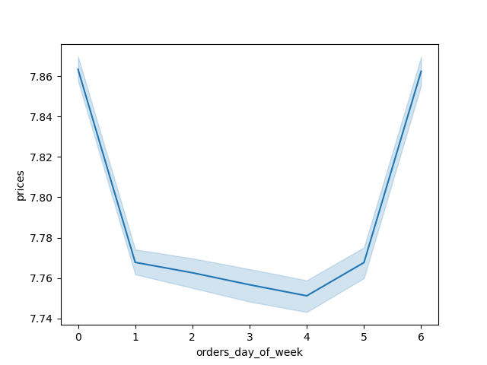

 |  | Legend:
 |  | 0 - Saturday
 |  | 1 - Sunday
 |  | 2 - Monday
 |  | 3- Tuesday
 |  | 4 -Wednesday
 |  | 5 - Thursday
 |  | 6 - Friday

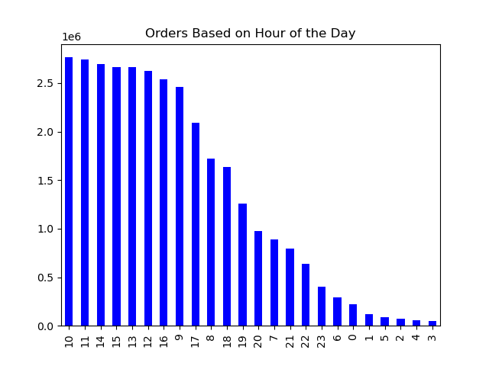
 |  | Q: The sales team needs to know what the busiest days of the week and hours of the day are (i.e., the days and times with the most orders) in order to schedule ads at times when there are fewer orders.

 |  | A: The busiest days of the week are Saturday and Sunday. The busiest hours of the week are between 9:00 - 16:00

 | Prices of Products Sold by Hour of the Day
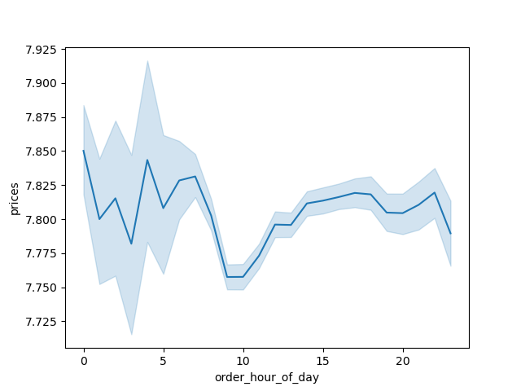

Q: They also want to know whether there are particular times of the day when people spend the most money, as this might inform the type of products they advertise at these times.

A: The higher priced products sold are purchased in the early morning hours until 5:00

 | Frequency of Products Sold at Varying Prices


 |  | Q: Instacart has a lot of products with different price tags. Marketing and sales want to use simpler price range groupings to help direct their efforts.

 |  | A: Most products sold are between the $1.00 - $15.00 price range. Very few products are sold that are more expensive than $15.00.

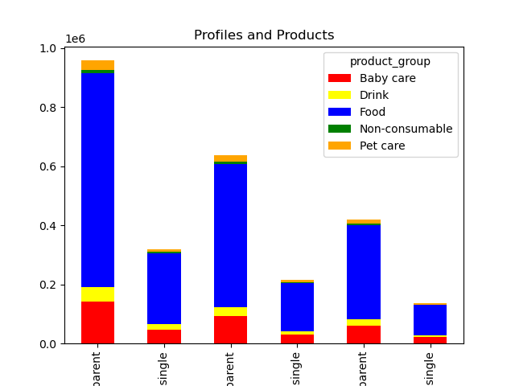

 |  |  | Q: Are there certain types of products that are more popular than others? The marketing and sales teams want to know which departments have the highest frequency of product orders.

 |  |  | A: Food products are the most purchased products among all the different product groups.

 | Customer Loyalty

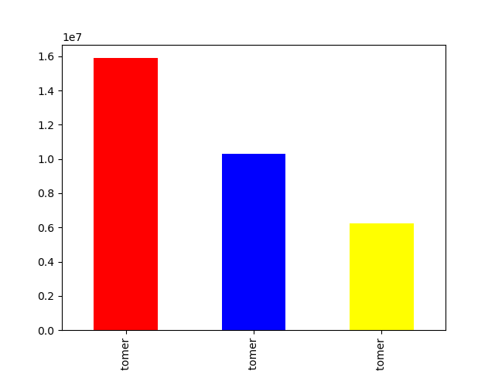

 |  |  | Legend:
 |  |  | Red - Regular customer
 |  |  | Blue - Loyal Customer
 |  |  | Yellow - New customer

 | Q: What’s the distribution among users in regards to their brand loyalty (i.e., how often do they return to Instacart)?

 | A: The number of regular customers ( customers with less than 40 orders but more than 10 orders) is about 16 million.
 | The number of loyal customers (customers with orders more than 40 orders) is about 10 million.
 | The number of new customers (customers with less than 10 orders) is about 6 million.

 | Q: Are there differences in ordering habits based on a customer’s loyalty status?

 | A: Based on the graphs below, the most loyal customers tend to buy primarily food products on a regular basis

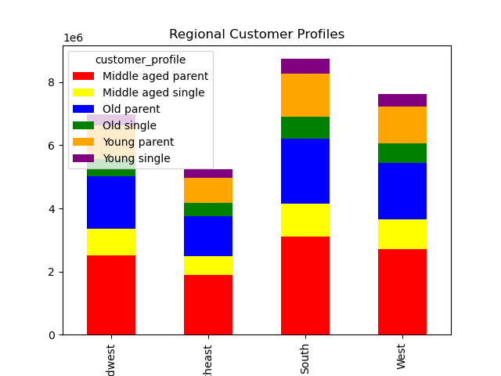

Q: Are there differences in ordering habits based on a customer’s region?

A: An overwhelming majority of orders across all region are from households with dependents. The southern region of the US is the region with most orders.

Q: Is there a connection between age and family status in terms of ordering habits?

A: Households with parents also spend about double on food than single adult households. Additionally, middle aged spend almost double than the second highest age group which is older parents.

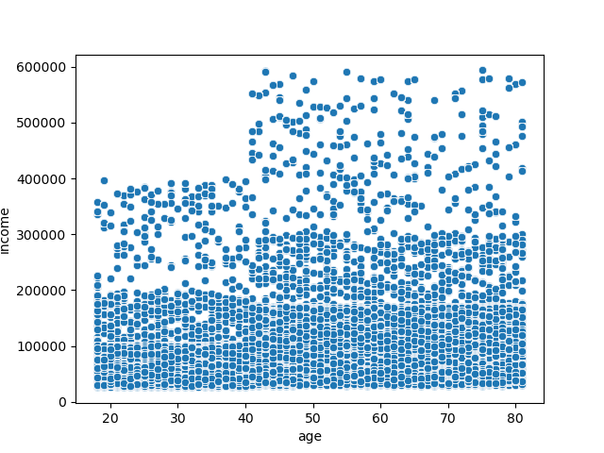

Q: What different classifications does the demographic information suggest? Age? Income? Certain types of goods? Family status?

A: Based off the previous visuals, the largest demographic the Instacart customer base is middle aged parents with an income at or below $200,000
Additionally, the most commonly purchased product group is food.
The smallest demographics in the customer base tend to be single adult households.

Q: What differences can you find in ordering habits of different customer profiles? Consider the price of orders, the frequency of orders, the products customers are ordering, and anything else you can think of.

A:
Households with dependents spend considerably more than single adult households.
The southern US is the largest customer base while the smallest is the northeast among all customer groups.
Food products are the most popular among all demographics.
The vast majority of the customer base makes less than $200,000 a year, placing them in the low or middle income groups.

7. Recommendations
 | Title page

Recommendations

In this tab you should include any recommendations you would made to Instcart in terms of their marketing strategy based on the questions posed in the brief. Every key question has been covered in the Tasks of the Exercises - here you need to add an item - a visualisation or table/crosstable that is showing the answer in the data, acompanied by a comment from you. Please, list the questions below and add the answer underneath.

Recommendations:
1. Instacart should maintain prices that are approachable for people in middle-to lower income classes.
2. With food being the most popular product sold, Instacart should expand their product options within that product group.
3. Instacart should adopt the strategies used in the Southern US region to bring in more customers in the other US regions.
4. Advertisements and sales should cater towards parents rather than single adults.
5. Inventory for products above $15.00 in price should be evaluated and discarded from Instacarts catelogue if they do not meet a determined sales threshold.

